DDM
Discovery and Dependency Mapping
Instructions:This questionnaire is to be completed by a HP DDM Administrator, with access to the Management consoles.
How many instances of DDM does your company currently have in your environment? For each DDM Management Server deployment please complete a separate worksheet.

Question |  |  | Yes / No
Is this instance used in production environment? |  |  | No
Is this instance used for developing DDM product add-on applications? |  |  | No
Is this instance used for DDM product migration testing, or DDM pre-production staging? |  |  | No
Is this instance used as a Cold Standby Backup? i.e. the instance is NOT up and running. If the production instance breaks down, or needs to be taken out of service, this instance needs to be manually switched on in order to take over for the production system. |  |  | No
Is this instance used as a Hot Standby Backup? i.e. the instance is up and running, ready to take over from the production instance if the production instance breaks down or needs to be taken out of service. |  |  | No
Does this instance process data, execute policies, or send/receive messages while production system is running? |  |  | No
Additional Comments

Manager Server Information
A. Name of Management Server
B. Server Type
C. Environment
D. Platform
E. Version

Please provide a copy of all the following files, along with this questionnaire:
Data Element # | Data type | Actions |  | Examples | Please insert the response
F | Managed Device Information (for DDM Advanced) | 1. For each DDMA instance deployed, please provide a system generated report from the DDMA management console showing a list of all end-points mapped within each DDMA environment.

 |  | 2. For each DDMA instance deployed, please provide a system generated report showing license counts for all devices mapped within each of your DDMA environments. The information can be pulled by extracting the license key for each instance.

G | Discovered and Inventoried Devices | 1. For each DDMI instance deployed, please provide the details of all the discovered and inventoried devices as shown

 |  | 2. For each DDMI instance deployed, please provide a screenshot of the DDMi Management Console, which provides the details of discovered devices. This view is available via the DDMi launch screen.

 |  | 3. For each DDMI instance deployed, please provide a screenshot of the License Status (Accessed via the “Current Settings” menu) which provides further details surrounding discovered and inventoried devices. |  | 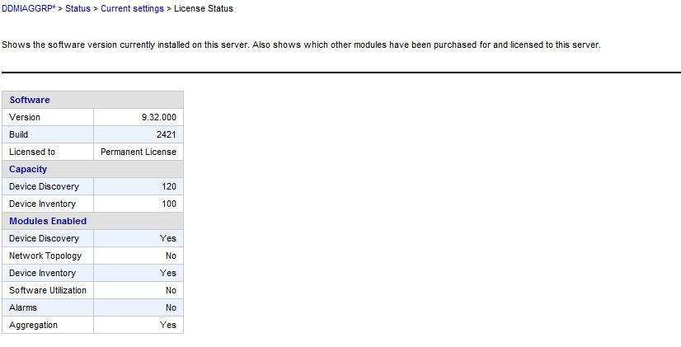

Universal Discovery
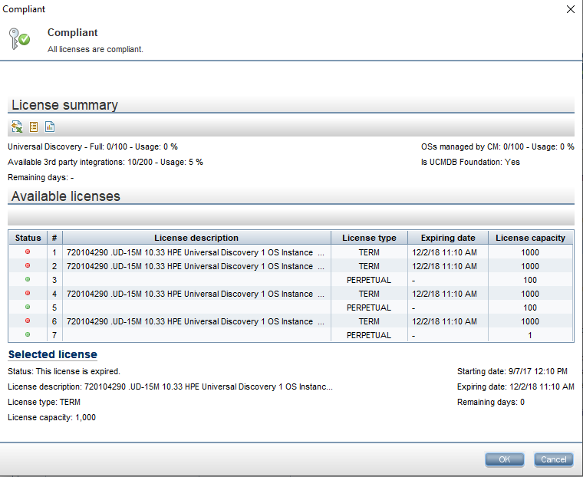
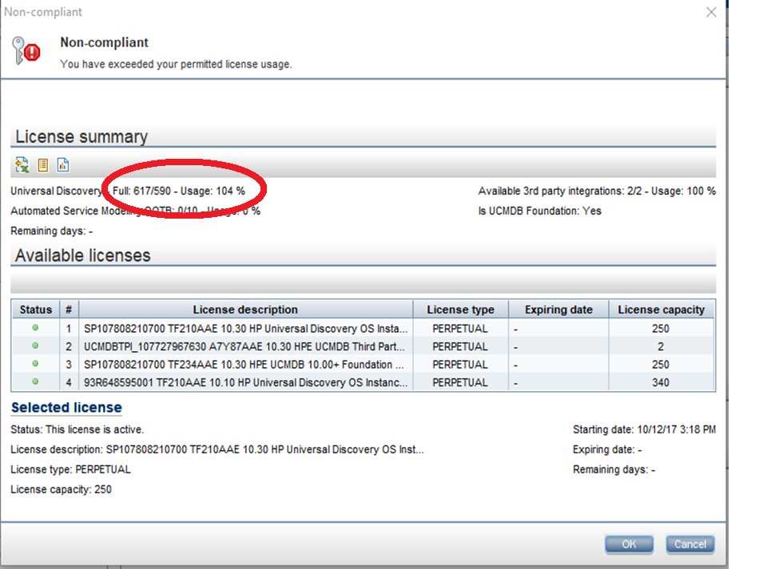
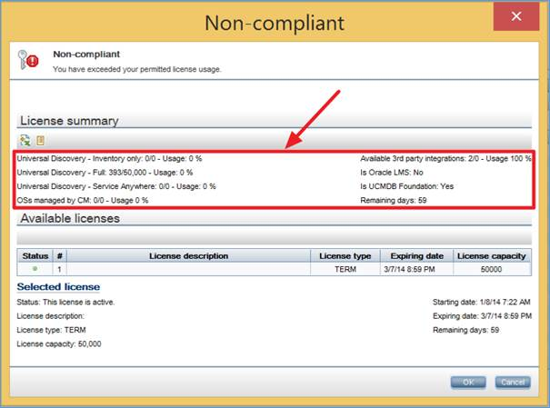
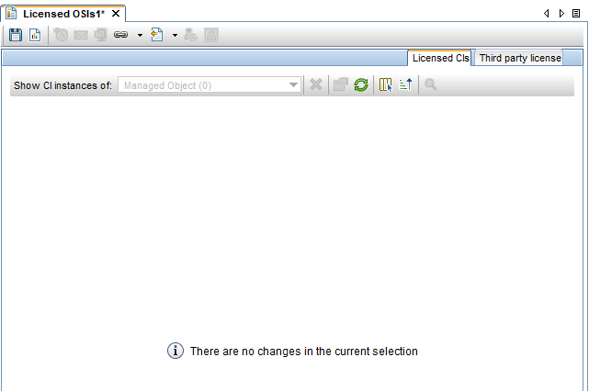
Universal Discovery (For the current UCMDB/UD version 10.10 onwards)
Instructions: This questionnaire is to be completed by a HP UD Administrator, with access to the Management consoles.
How many instances of UCMDB/UD does your company currently have in your environment? Please replicate this tab, and complete the questionnaire separately for each instance of the product. |  |  | UCMDB DEV Instance

Question |  |  | Yes / No
Is this instance used in production environment? |  |  | No
Is this instance used for developing UCMDB/UD product add-on applications? |  |  | Yes
Is this instance used for UCMDB/UD product migration testing, or UCMDB/UD pre-production staging? |  |  | No
Is this instance used as a Cold Standby Backup? i.e. the instance is NOT up and running. If the production instance breaks down, or needs to be taken out of service, this instance needs to be manually switched on in order to take over for the production system. |  |  | No
Is this instance used as a Hot Standby Backup? i.e. the instance is up and running, ready to take over from the production instance if the production instance breaks down or needs to be taken out of service. |  |  | No
Does this instance process data, execute policies, or send/receive messages while production system is running? |  |  | No
Additional Comments

Manager Server Information
A. Name of Management Server |  | ecmsdevucmdb
B. Server Type |  | virtual
C. Environment |  | Linux
D. Platform |  | Red Hat Enterprise Linux
E. Version |  | 7.3

Please provide a copy of all the following files, along with this questionnaire:
Data Element # | Data type | Actions |  | Examples | Please insert the response
F | Current usage | For each UD installation, please provide the screenshot from the UD Management Console (as the examples on the side depending on the UCMDB version) Go to the HP Universal CMDB Server: http://<server name>:8080/web-console where <server name> Access as or with the Admin credentials At the bottom of every HP Universal CMDB Server screen is the Status Bar. You get to the license status information by selecting the ‘Key’ icon. Click to display a window showing the license summary, available licenses, and selected license. Select Reports and then Licensed OSIs you will obtain the list of all discovered machine and the type of license installed on each one (Full or Others).

